Sheet1
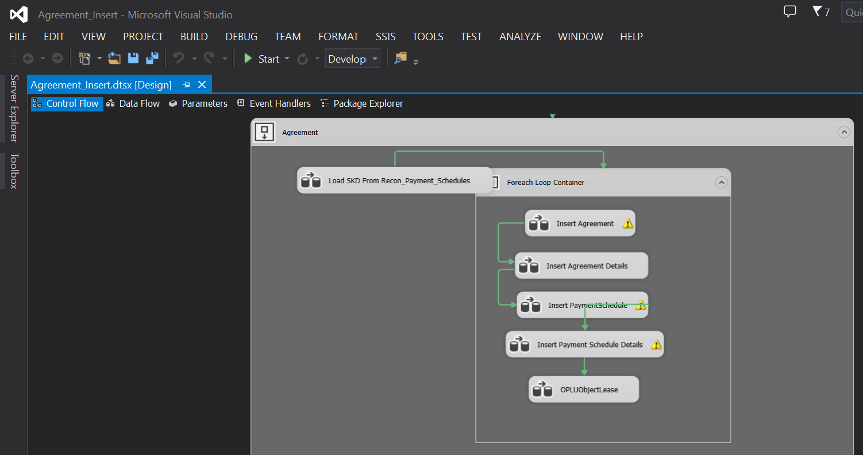
Migrasi data recon, minta dulu data recon di kirim ke PIC MFAPPL jika belum di kirim ( filter by Agreement Number )

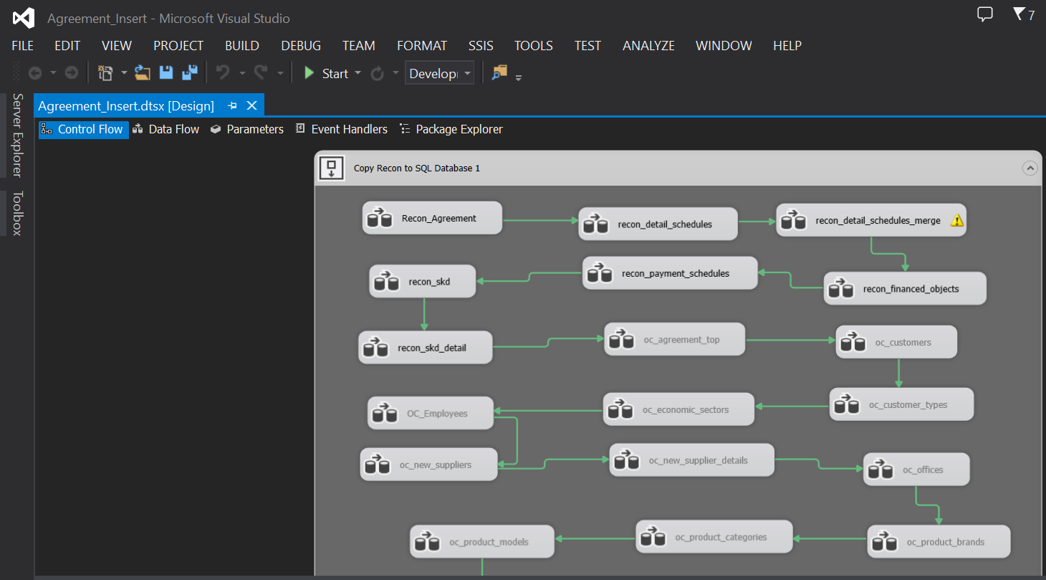

Setelah recon selesai, lanjut migrasi Calculation - SKD ( filter by Agreement Number )

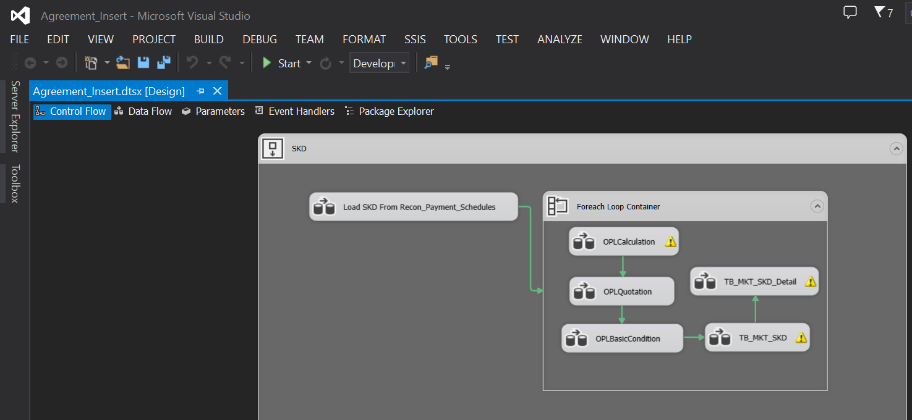

Lanjut migrasi Agreement - Unit

Sheet2
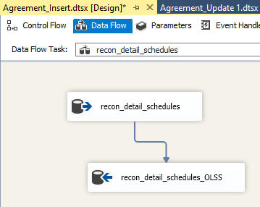
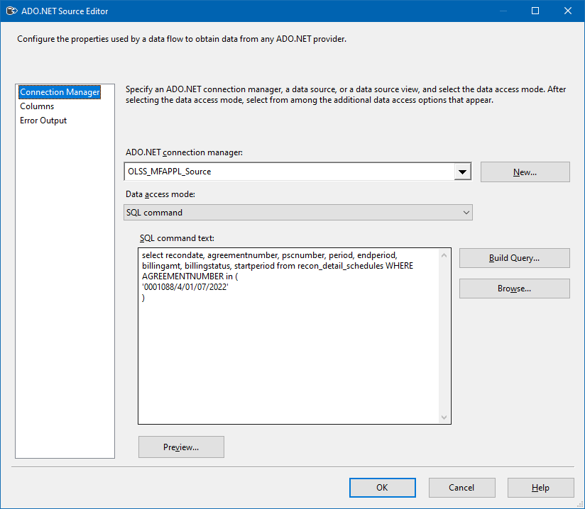
0 | Connection Managers

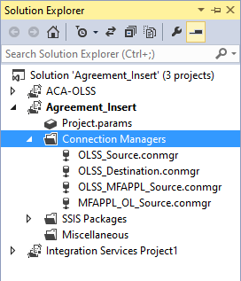
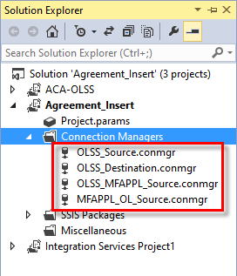

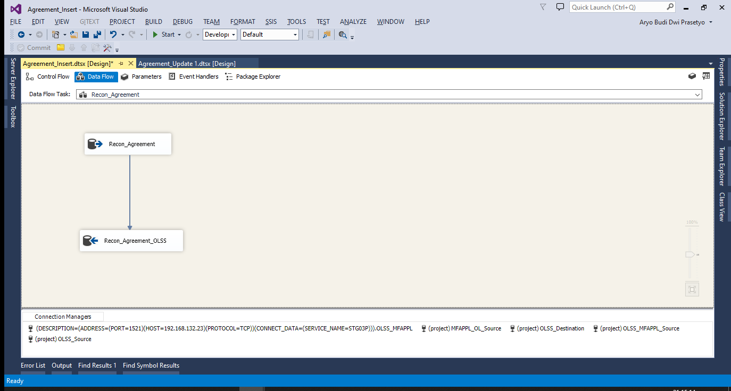
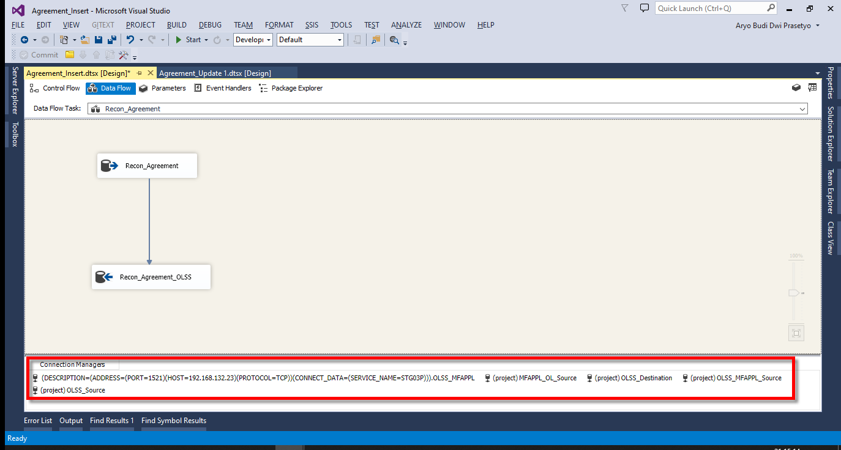

 | SQL SERVER | ORACLE

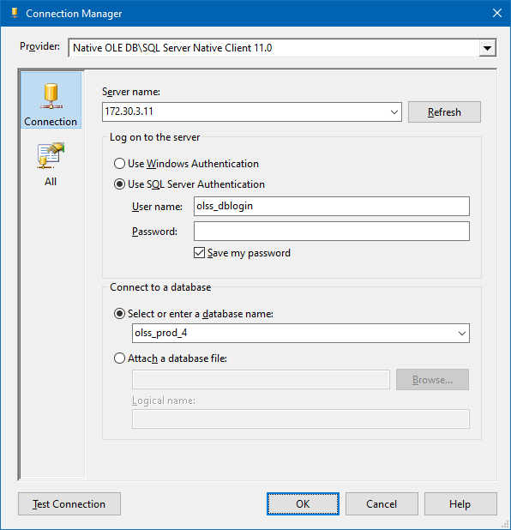
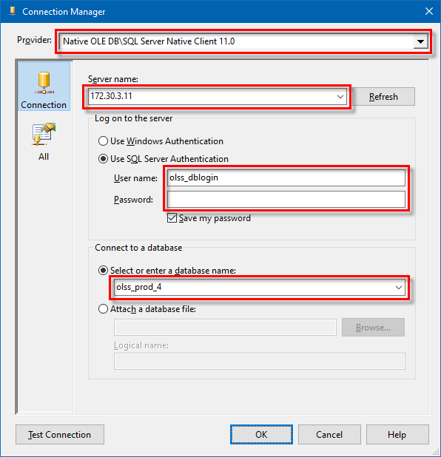
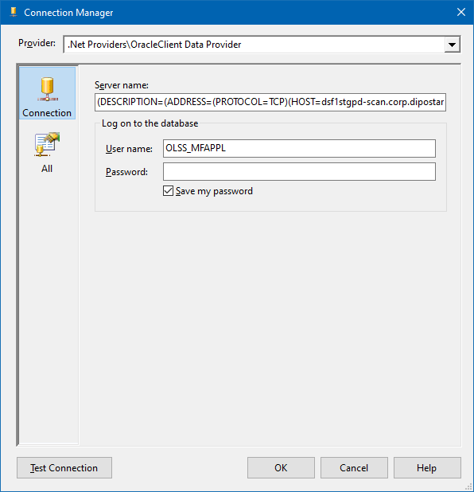
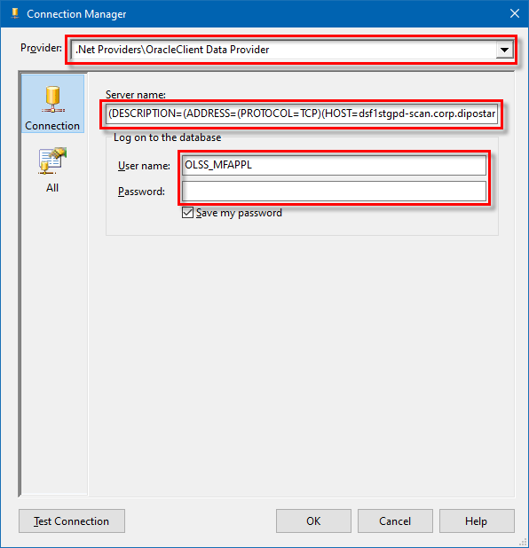

0 | Recon Migration

 | Request staging Recon Data to Tim MFAPPL

 | Email Sample:
 | RE: Service Request S0280399 RE: #197832 - #201120 - Migrasi Data Kendaraan PT Kinarya Selarasa Piranti

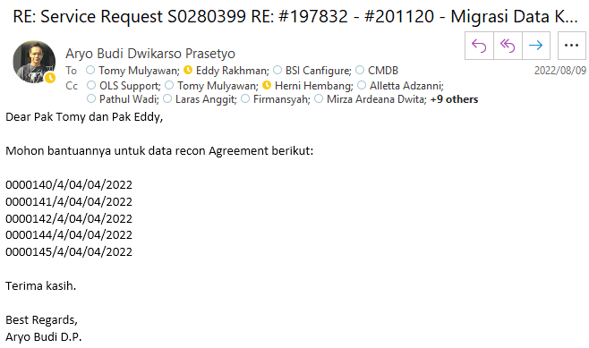

0 | Migration Process

 | Open SSIS Pacakge

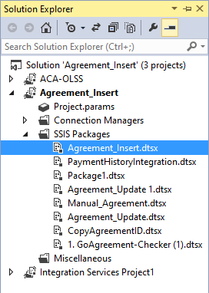
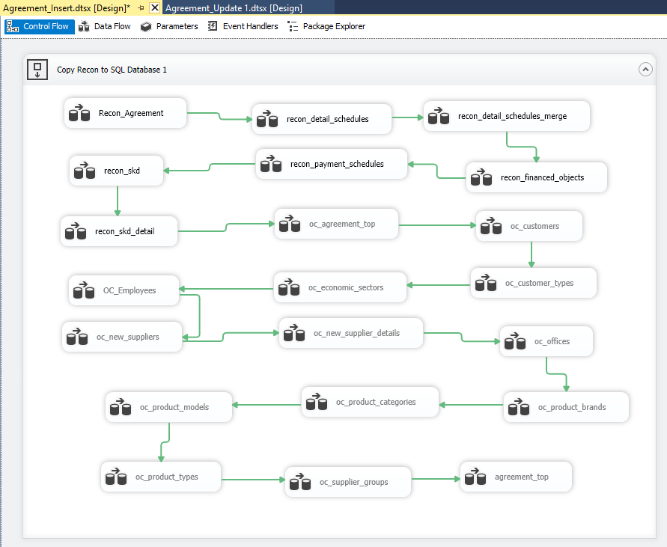

 | Urutan Proses Migrasi Recon lihat di sini:
 | S0272274 - (Urgent) Migrasi Data MFAPPL ke OLSS (Agreement PT KSP 3 Agreement)
 | 20220613MON

 | Recon Agrement ((Sample Screen)

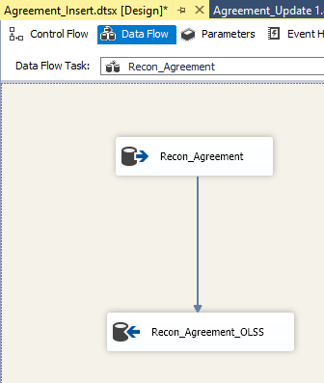
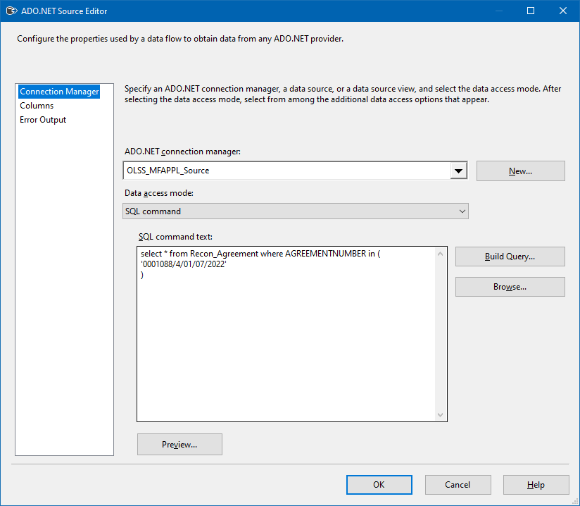

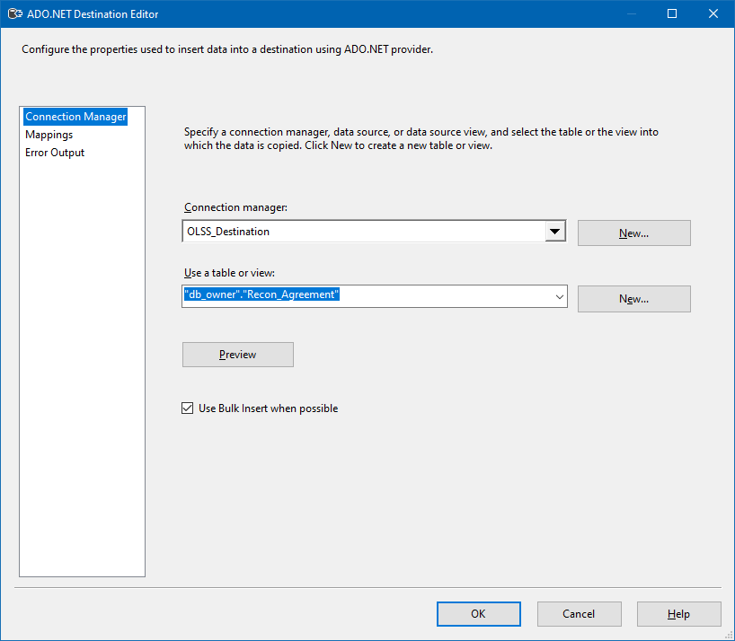

 | Execute Task

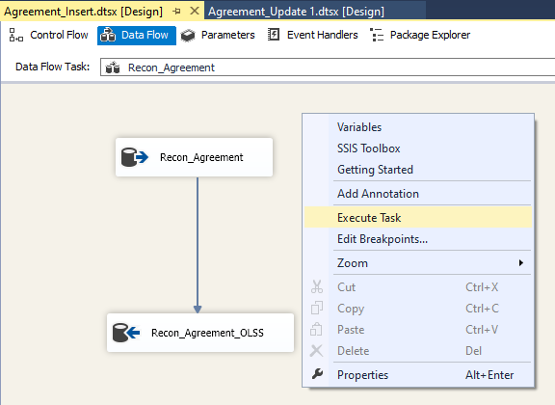
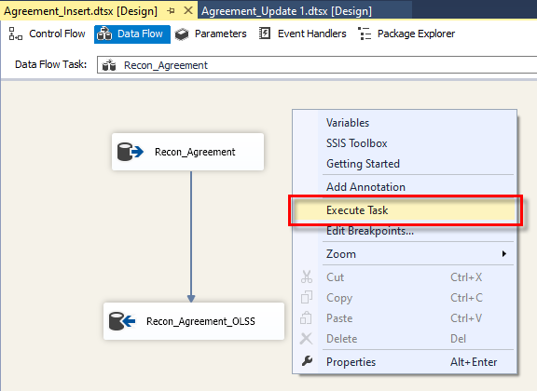

0

 | Recon Detail Schedules

